1. Title Page
[Project Name]

Project Name: Instacart Basket Analysis
Date: 02/01/2025
Analyst Name: Valery Jong Tangunyi

Contents:
Population Flow
Consistency checks
Wrangling steps
Column derivations
Visualizations
Recommendations

2. Population Flow
Title page

Population flow

Exclusion flag
Condition: max_order < 5
Obervations to be removed: : 1,444,295
Final total count of order_products_all: 30,964,564

Orders_products_combined
Orders_products_merged
Orders_products_all

Total: 32404858
Total: 32434488
Total: 32404858

1.) The grey boxes in the first row of the population flow represent the original data sets as they were when you downloaded them. In the Total fields you need to add the count of the rows when you imported the data set into Jupyter.
2.) The second row of boxes (coloured) represents the data sets after you manipulated them, e.g., removed missing values and duplicates. In the Total fields you need to add the count of the rows after conducting these operations. This offers a visual oveview of how the data flows throughout the data consistency checks.
3.) The third row, where also the arrows are coloured, represents the merges you performed between the datasets. In the Total fields you need to add the count of the rows in the merged datasets, so that you end up with the final dataset (in the red box). Keep in mind the final dataset should be without exclusions (based on the exclusion flag).

3. Consistency checks
 |  |  |  | Title page
Consistency checks

Dataset | Missing values | Missing values treatment | Duplicates
orders | days_since_prior_order (206,209) | Added a new column first | No duplicates found
products | product_name (16) | Deleted rows missind data | dropped 5 duplicate rows
orders_products_prior | None | None | No duplicates found
customers | None | None | No duplicates found

4. Wrangling steps
 |  |  |  | Title page
Wrangling steps

Columns dropped | Columns renamed | Columns' type changed | Comment/Reason
Eval_set |  |  | Not necessary
 | Order_dow to orders_days_of_the_week |  | Clarity

 | FIRST_NAME to first_name |  | To maintain consistency
 | Surnam to last_name |  | To maintain consistency
 | Gender to gender |  | To maintain consistency
 | STATE to state |  | To maintain consistency
 | Age to age |  | To maintain consistency

 |  | order_id | changed to string
 |  | user_id | changed to string

5. Column derivations
 |  |  |  | Title page

Column derivations and aggregations

In this tab you should add tables below that the frequences of flags/label variables that you produced after deriving them. NB: don't do this for continuous variables, only for flags.
Dataset | New column | Column/s it was derived from | Conditions
ords_prod_merge | price_range_loc | prices | if price is <=5 = 'Low-range product'
 |  |  | if price is >5 and <=15 = 'Mid-range product'
 |  |  | if price is >15 = 'High-range product
ords_prod_merge | busiest_day | order_dow | 0 (Saturday) = busiest day
 |  |  | 4 (Wednesday) = least busy
 |  |  | any other day of the week = regularly busy
ords_prod_merge | busiest_days | order_dow | 0 or 1 (Saturday or Sunday) = busiest days
 |  |  | 3 or 4 (Tuesday or Wednesday) = slowest days
 |  |  | any other day of the week = regular days
ords_prod_merge | busiest_period_of_day | order_hour_of_day | 10 (10:00 am) = most orders
 |  |  | 3 (3:00 am) = fewest orders
 |  |  | any other hour of the day = average orders
ords_prod_merge | max_order | user_id, 'order_number' | This gets the maximum frequency of orders ('order_number') grouped by customer ('user_id').
ords_prod_merge | loyalty_flag | max_order | if max_order is >40, then labeled as "Loyal customer'
 |  |  | if max_order is <=40 and >10, then labeled as "Regular customer'
 |  |  | if max_order is <=10, then labeled as 'New customer'
ords_prod_merged | mean_price | user_id, 'prices' | This gets the average price purchased, grouped by 'user_id'
ords_prod_merged | spender_type | avg_purchase_price | If avg_purchase_price <10, then labeled as 'Low spender'
 |  |  | If avg_purchase_price >=10, then labeled as 'High spender'
ords_prod_merged | median_prior_order | user_id', 'days_since_prior_order' | This gets the median 'days_since_prior_order' and groups by 'user_id'
ords_prod_merged | frequency | median_days | If median_days >20, then labeled as 'Non-frequent customer'
 |  |  | If median_days >10 and <=20, then labeled as 'Regular customer'
 |  |  | If median_days <=10, then labeled as 'Frequent customer'
instacart | income_group | income | If income less than or equal to 50,000 then 'Low '
 |  |  | If income greater than 50,000 and less than or equal to 100,000 then 'Middle '
 |  |  | If income greater than 100,000 then 'High '
instacart | age_group | Age | If age less than or equal to 25 then young adult. (0-24)
 |  |  | If age greater than 25 & less than or equal to 40 then adult. (25-40)
 |  |  | If age greater than 40 & less than or equal to 65 then Older adult. (40-65)
 |  |  | If age greater than 65 then senior. (65+)
instacart | region | state | Northeast_states = ['Maine', 'New Hampshire', 'Vermont', 'Massachusetts', 'Rhode Island', 'Connecticut', 'New York', 'Pennsylvania', 'New Jersey']
 |  |  | Midwest_states = ['Wisconsin', 'Michigan', 'Illinois', 'Indiana', 'Ohio', 'North Dakota', 'South Dakota', 'Nebraska', 'Kansas', 'Minnesota', 'Iowa', 'Missouri']
 |  |  | Southern_states = ['Delaware', 'Maryland', 'District of Columbia', 'Virginia', 'West Virginia', 'North Carolina', 'South Carolina', 'Georgia', 'Florida', 'Kentucky', 'Tennessee', 'Mississippi', 'Alabama', 'Oklahoma', 'Texas', 'Arkansas', 'Louisiana']
 |  |  | Western_states = ['Idaho', 'Montana', 'Wyoming', 'Nevada', 'Utah', 'Colorado', 'Arizona', 'New Mexico', 'Alaska','Washington', 'Oregon', 'California', 'Hawaii']
instacart | dependents_flag | number_of_dependents | If number of dependents > 0, then 'Has dependents'
 |  |  | If number of dependents <= 0, then 'No dependents'
customer_profile | order_total | user_id,price, order_number,loyalty_flag,spender_type,region,age_group,income_group,dependents_flag,days_since_prior_order | This gets the sum of all prices, grouped by user_id, order_number, loyalty_flag, spender_type, region,age_group, marital_status, income_group, dependents_flag, days_since_prior_order

6. Visualizations
Title page

Visualisations

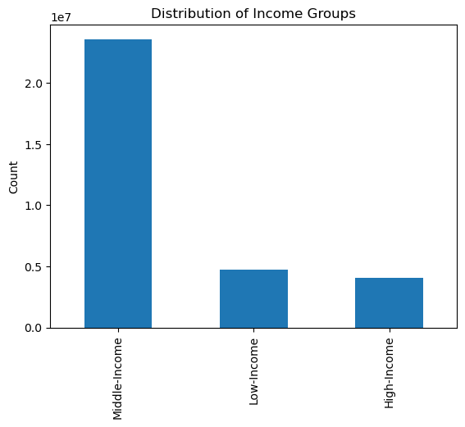
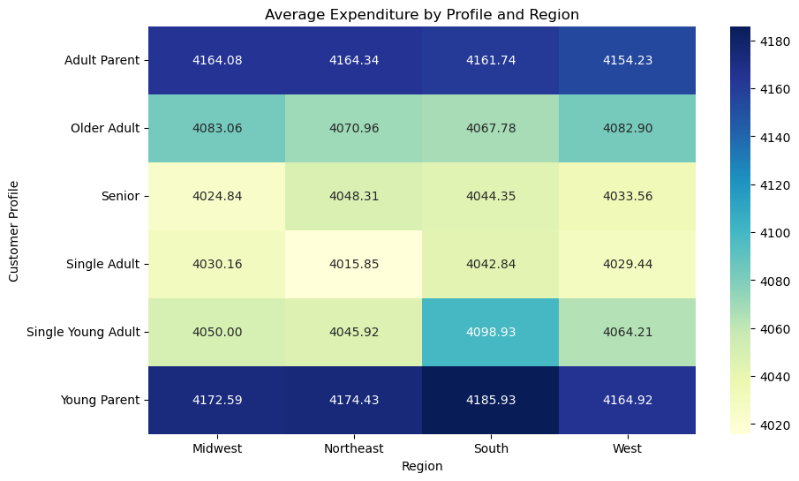

Above shows the average expenditure by different regions. Most active are older adults and young parent
The middle-income group is the most active group that make orders followed by low-income and high-income

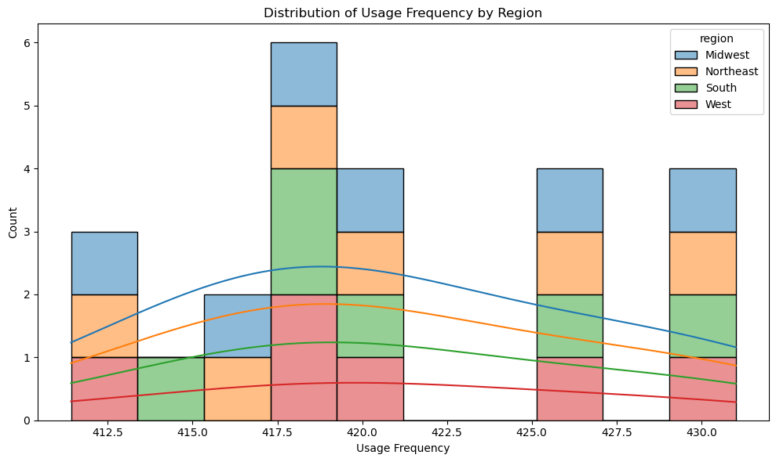
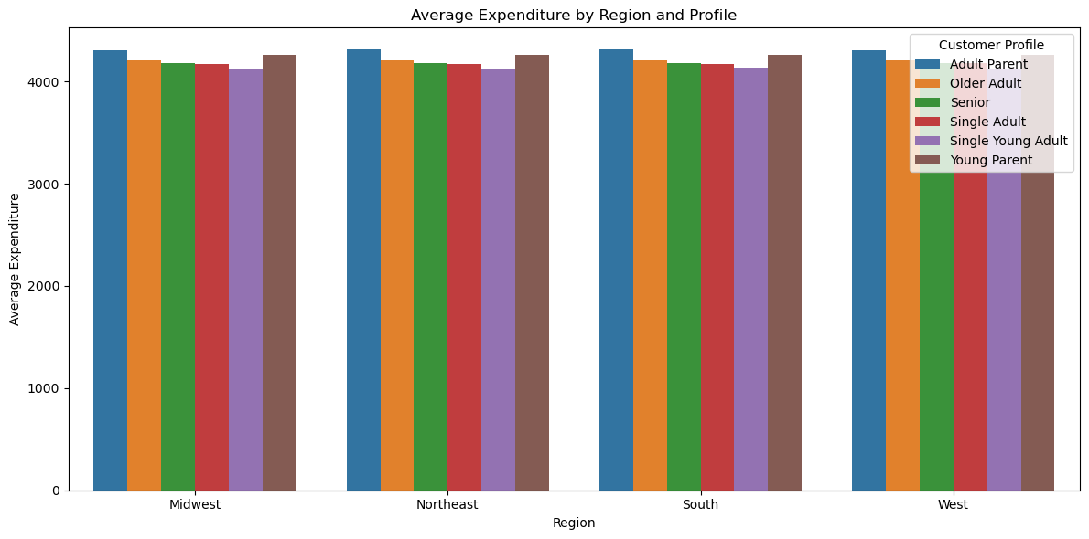

Average Expendinture by region
Distribution of usage Frequency by Region

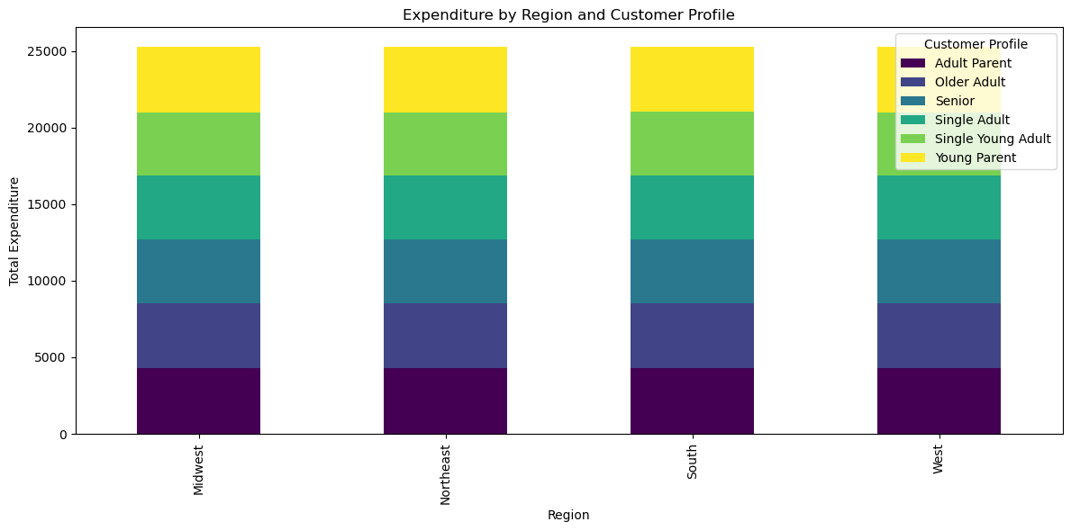
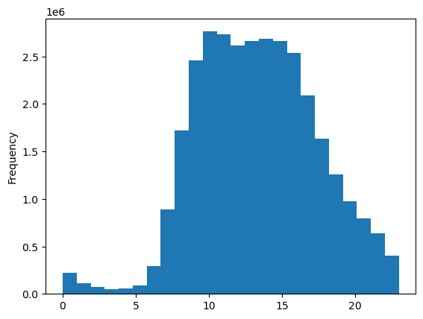

Above is a stacked bar chart which shows the average expenditure between different regions

The busiest hours of the day are 8am-4pm

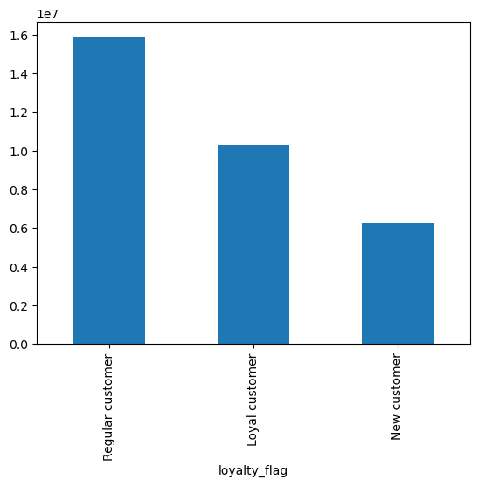

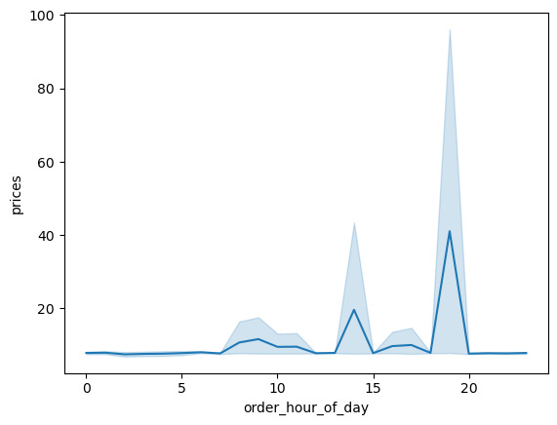

The busiest days of the week are Saturday and Sunday between the hours of 8 am to 4 pm. The least busy day is Wednesday between the hours of 2 am to 5 am.

Regular and loyal customers contribute more to sales (as in # of items sold)

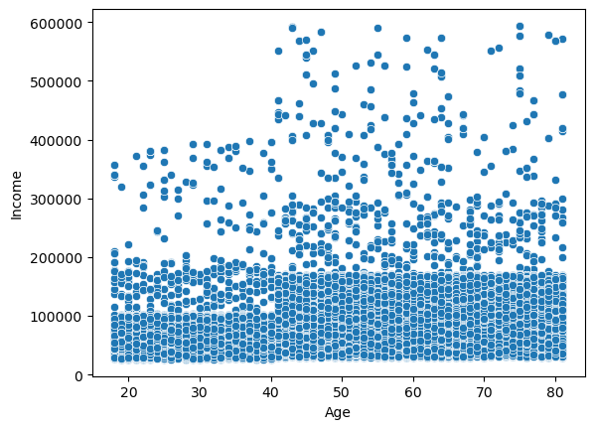

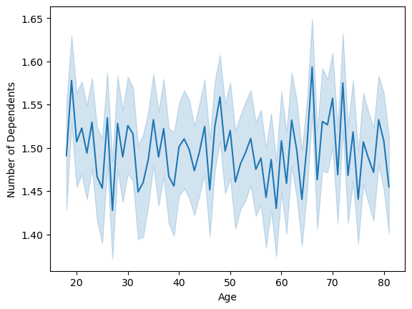

There is a steep step at age 40, with an increase in income.

no clear correlation between 'Age' and 'Number of Dependents

7. Recommendations
 |  |  | Title page

Recommendations

Question | Answer | Recommendations
What are the busiest days of the week and hours of the day? | Saturday and Sunday are the busiest day of the week. Tuesday and Wednesday are the least bust days of the week. Most orders are between 9am and 4pm. | As the middle of the week are the least busy days, have sales and coupons targeting those days to drive higher sales during those times.
Are there particular times of day when people spend the most money? | Sales are higher in the morning, but it should be noted that this is a small variation. Additionally, sales are higher on the weekends. | sales are higher in the morning and on the weekend, these variations are very slight, on the order of magnitude of 10-20 cents. This small varience seems to be almost statistical in nature, there these are no recommendations from this observation.
Are there certain products that are more popular than others? | Produce, Dairy/eggs, snacks, and beverages are the biggest sellers by department. | Coupons and specials for popular items such as Produse and Dairy are recommended to get people tp place orders. Coupons and specials for the least popular items such as international, alcohol, and bulk are recommended to boost sales in those departments.
Are there differences in ordering habits based on loyalty status? | Most customers are considered to be low spenders. | Would instant cart rather have high spenders of frequent shoppers? Discounts on the entire grocery purchase would drive up spending per order, but probably reduce frequency.
Are there differences in ordering habits based on region? | Customers in the South and the West have the largest sales of produce, snacks and dariy/eggs. | Increase advertising and promotions in regions when there are fewer customers
What is the distribution among users as to how often they return to Instacart? Is there a connection between age and family status and ordering habits? What different classifications does the demographic information suggest? Age? Income? Certain types of goods? Family status?? | Most customers are adult or middle-aged, married, and have dependants. Also those in the upper income bracket tend to be over 40. | Have a bulk of coupons and discounts target typical family "whats for dinner" products, breakfast cereals, packable lunches, etc. Target luxury products to those in the high-income group over 40.
What differences can you find in ordering habits of different customer profiles? Consider the price of orders, the frequency of orders, the products customers are ordering. | The key demographic for those using Instacart are adult to middle-age, middle-income parents. This makes sense as thes would be the larger holdholds that would consume more products. | Does Instacart want to reach out to more demographics? Are there obstacles, such as familiarity with technology that is limiting customer growth among seniors? A focus on products favored by families may drive people to place an order rather than waiting. What is the competitor for Instacart? Other delivery agencies? Preferring to shop at a certain store? Customers shopping in the store instead of ordering? Perhaps partnering with stores that the customers get a discount of a free item for using Instacart instead of shopping at the store.

